1. Title Page
Project Name: Instacart Grocery Basket Analysis
Date: August 2025
Analyst Name: Charlotte Lin

Contents:
Population Flow
Consistency checks
Wrangling steps
Column derivations
Visualizations
Recommendations

Data Citation: “The Instacart Online Grocery Shopping Dataset 2017”, Accessed from www.instacart.com/datasets/grocery-shopping-2017 via Kaggle on [date].
In this data set, the "prices" column was fabricated for this analysis due to a learning exercise
Supplementary Dataset:
Additional customer data provided by CareerFoundry.

2. Population Flow
Title page

Population flow

Exclusion flag
Condition: max_order < 5
Obervations to be removed: 1,440,295
Final total count of order_products_all: 30,964,564

Orders_products_combined
Orders_products_merged
Orders_products_all

Total: 3,243,489
Total: 3,243,489
Total: 3,243,489

1.) The grey boxes in the first row of the population flow represent the original data sets as they were when you downloaded them. In the Total fields you need to add the count of the rows when you imported the data set into Jupyter.
2.) The second row of boxes (coloured) represents the data sets after you manipulated them, e.g., removed missing values and duplicates. In the Total fields you need to add the count of the rows after conducting these operations. This offers a visual oveview of how the data flows throughout the data consistency checks.
3.) The third row, where also the arrows are coloured, represents the merges you performed between the datasets. In the Total fields you need to add the count of the rows in the merged datasets, so that you end up with the final dataset (in the red box). Keep in mind the final dataset should be without exclusions (based on the exclusion flag).

3. Consistency checks
 |  |  |  | Title page
Consistency checks

Dataset | Missing values | Missing values treatment | Duplicates
orders | 206,209 missing values in days_since_prior_order | Left as-is, as these represent customers' first orders, so no imputation needed. | No duplicates found
products | 16 missing values in product_name | Rows were removed due to non-imputable string data | 5 duplicates removed
orders_products_prior | No missing values | Not applicable | No duplicates found
customers | 11,259 missing values in first_name | Left as-is, as names are not needed for the analysis objective | No duplicates found

Notes:
I performed a data quality assessment across the four main datasets. Missing values in orders were retained, as they represent first-time customer purchases where no prior order exists. In the products dataset, 16 rows with missing product_name were removed, and 5 duplicate entries were dropped. The orders_products_prior dataset had no missing or duplicate values. The customers dataset had 11,259 missing first names, which were left untouched as names are non-essential for behavioral analysis.

4. Wrangling steps
 |  |  |  | Title page
Wrangling steps

Columns dropped | Columns renamed | Columns' type changed | Comment/Reason
eval_set |  |  | Not needed for analysis; dropped to save memory.
_merge |  |  | Used only for join validation; not necessary for analysis.
first name, surname |  |  | Dropped to protect personally identifiable information (PII).
 | order_dow → orders_day_of_week |  | Improves clarity and readability
 | order_hour_of_day → order_time_hour_of_day |  | More intuitive name to indicate time of day.
 | Surname → Last Name, STATE → State, date_joined → Date Joined, n_dependants → Number of Dependents, fam_status → Family Status, income → Income |  | All renamed for clarity and consistency.
 | First Name → first_name, Gender → gender, Age → age, etc. |  | Renamed for column uniformity and consistency across dataset.
 |  | order_id → string, user_id → string, order_number → string | These are identifiers; numerical analysis on them is not meaningful.
 |  | first name → string | Converted for uniformity before being dropped for PII concerns.

5. Column derivations
 |  |  |  | Title page

Column derivations and aggregations

In this tab you should add tables below that the frequences of flags/label variables that you produced after deriving them. NB: don't do this for continuous variables, only for flags.
Dataset | New column | Column/s it was derived from | Conditions
orders | first_order | days_since_prior_order | NaN values → "First Order"
ords_prods_merge | price_flag | prices | ≤ 5 → 'Low-Range' > 5 and ≤ 15 → 'Mid-Range' > 15 → 'Expensive'
ords_prods_merge | orders_day_of_week | orders_dow | Renamed column
ords_prods_merge | order_time_hour_of_day | order_hour_of_day | Renamed column
ords_prods_merge | max_order | order_number | Maximum order count per customer
customers | loyalty_flag | max_order | > 40 → 'Loyal Customer' > 10 and ≤ 40 → 'Regular Customer' ≤ 10 → 'New Customer'
ords_prods_merge | spender_flag | average_spend | < 10 → 'Low Spender' ≥ 10 → 'High Spender'
ords_prods_merge | Customer_frequency | days_since_prior_order | Count of days prior per user
ords_prods_merge | frequency_flag | Customer_frequency | ≤ 10 → 'Frequent Customer' > 10 and ≤ 20 → 'Regular Customer' > 20 → 'Non-Frequent Customer'
ords_prods_cust_merge | Region | State | States categorized by U.S. regions
ords_prods_cust_merge | Customer_Activity | max_order | < 5 → 'Low Activity' ≥ 5 → 'High Activity'
customer_ords_prods | activity_customer_level | max_order | < 5 → 'Low-Activity Customer' ≥ 5 → 'High-Activity Customer'
customer_ords_prods | parent_status | number_dependants | ≤ 1 → 'Single' ≥ 1 → 'Parent'
customer_ords_prods | day_of_week | orders_day_of_week | 0 = Saturday through 6 = Friday
ords_prods_merge | busiest_day | orders_day_of_week | "Busiest day" if == 0 or 1, else "Least busy" "Regularly busy" if 0–3, "Busiest" if 4, "Least busy" otherwise
ords_prods_merge | busiest_period_of_day | order_time_hour_of_day | "Morning" if <12, "Afternoon" if 12–16, "Evening" if 17–20, "Night" otherwise

6. Visualizations
 | Title page

Visualisations

Project Brief Questions
1. What are the busiest days of the week and hours of the day?

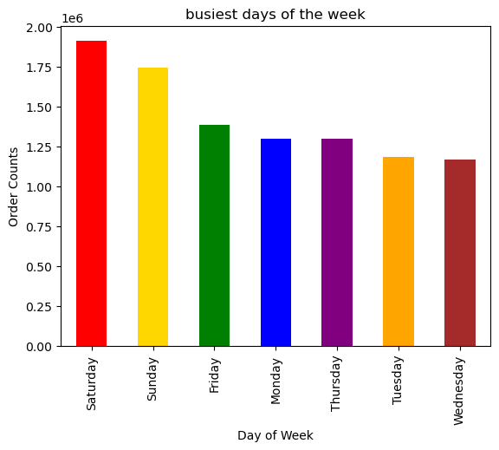
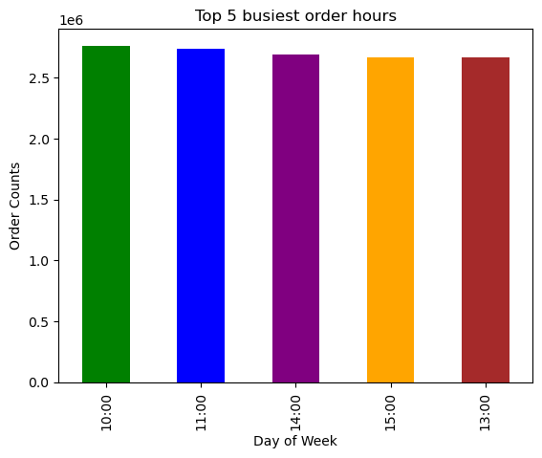
Order Hour Distribution Per Day

Explanation & Insight
The first bar chart on the left, “Busiest Days of the Week,” shows that customer activity peaks on Saturdays and Sundays. This suggests that weekend shopping dominates, likely due to customers having more free time.
The center bar chart, “Top 5 Busiest Order Hours,” reveals that the busiest times of day for placing orders are between 10:00 AM and 3:00 PM, with a slightly higher concentration at 10:00 AM. This mid-morning window may reflect a habitual ordering time after customers have settled into their daily routines.
The histogram on the right, “Order Hour Distribution,” confirms this pattern across all 24 hours. It shows a bell-shaped curve peaking between 10:00 AM and 4:00 PM, with a sharp drop-off in the early morning and late evening hours. This validates that mid-day is the most active time for order placement.
To optimize ad scheduling, the sales team should target early mornings (before 8 AM) and late evenings (after 8 PM) for ad placements, as these are periods of lower order volume. Advertising during these off-peak hours can help increase visibility without competing against peak-time demand, while the peak periods should be reserved for reinforcing promotions or last-minute reminders.

2. What are the particular spending times throughout the day?

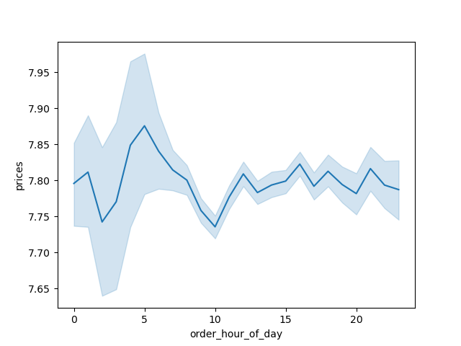
Spending Average Throughout the Day

 |  | Question: | Are there particular times of the day when people spend the most money, as this might inform the type of products they advertise at these times. The highest frequency of product orders will be determined here?

 |  |  |  | Answer: | The best selling products of the organization are produce, dairy eggs and snacks. The time of day where people spent the most money on the products is during the morning rush hour traffic.

Explanation & Insight
The line chart illustrates the average price of products ordered throughout the day, based on the "order_hour_of_day" variable. A distinct (albeit not drastic) spending peak occurs in early morning, roughly between 4 to 8 am (likely rush hours), where average prices briefly approach $7.95, likely reflecting smaller volumes of high-value purchases during early-morning hours. After this early spike, average spending stabilizes across the remainder of the day, hovering between $7.75 and $7.85, indicating consistent pricing behavior among the majority of daytime shoppers.
This pattern suggests that early-morning hours may attract a unique customer segment purchasing higher-priced or specialty items. For marketing and sales, this opens an opportunity to strategically target premium or urgent-need products in the early morning window, while maintaining broad, cost-effective promotions throughout the day when consumer behavior becomes more uniform.

3. Can we group products into simple price categories for marketing?

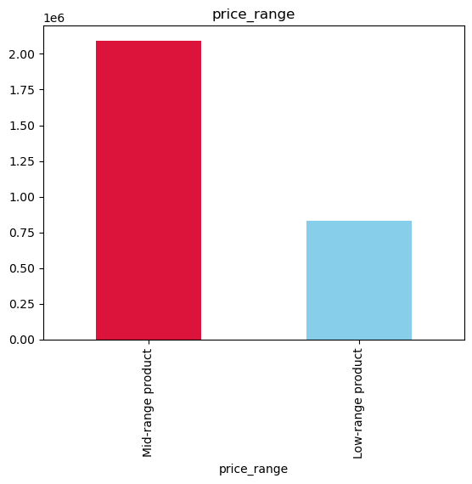

Explanation & Insight

The bar chart displays product counts grouped into simplified price categories: low-range products and mid-range products. This classification was likely based on pre-defined price thresholds during the data wrangling process. The chart reveals that mid-range products are significantly more common in the dataset, accounting for over 2 million orders, compared to approximately 800,000 for low-range products.
This simplification into price bands makes it easier for the marketing team to target product promotions by value tier. Given the dominance of mid-range products, campaigns could focus on volume-driven promotions or bundling strategies in that category. Meanwhile, low-range products might benefit from impulse-buy messaging or placement in off-peak time slots. This segmentation also helps streamline future price sensitivity analysis or A/B testing.

4. Are certain product types more popular than others?

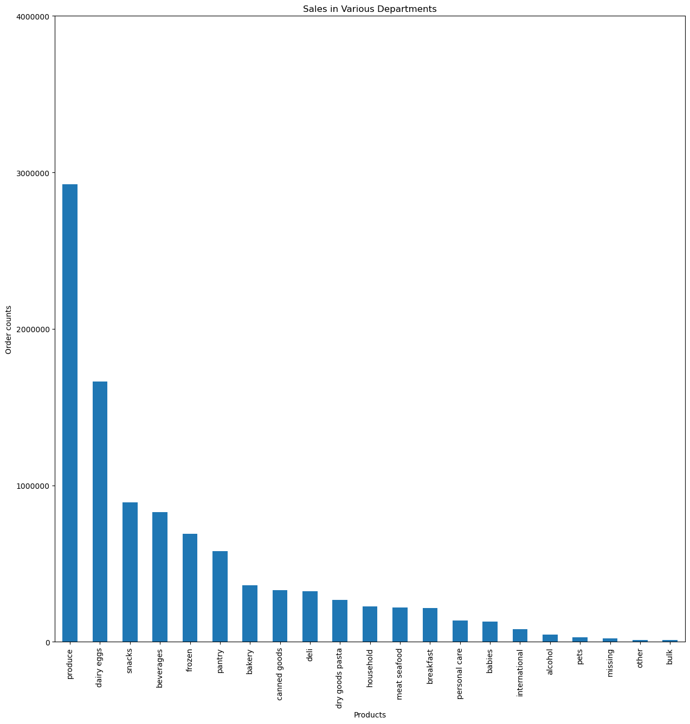

Explanation & Insight

The bar chart displays the total number of orders across Instacart’s various product departments. The departments are sorted in descending order of frequency, clearly showing that produce leads by a wide margin, followed by dairy & eggs, snacks, and beverages. Other departments like baby, deli, and pantry show moderate order volumes, while categories such as international, alcohol, and personal care rank lowest.
This suggests a highly skewed distribution of customer demand, with staple grocery items dominating purchase behavior. For the sales team, this means that advertising efforts might best focus on promoting value or bundles in high-frequency categories while using niche campaigns or loyalty incentives to boost visibility for underperforming departments. Marketing could also explore cross-promotion strategies, such as advertising dips from the deli section alongside produce like chips or vegetables.

5. Customer Loyalty Analysis
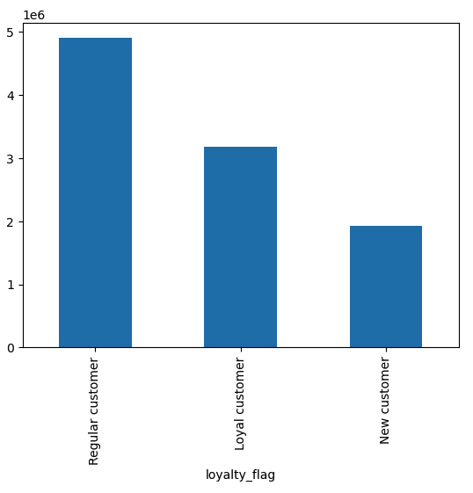

Explanation & Insight

This bar chart illustrates the distribution of users by loyalty status, defined by how often they return to Instacart:
New customers (fewer than 10 orders)
Regular customers (10–40 orders)
Loyal customers (more than 40 orders)
In this representative data subset, Regular customers account for the largest share of orders, followed by Loyal and New customers. This indicates that a substantial portion of users are moderately engaged but haven’t yet crossed into high-frequency use.
The second question (differences in ordering habits based on loyalty) is also reflected here:
New customers contribute the fewest orders, suggesting they may still be evaluating the platform.
Loyal customers place significantly more orders per user, indicating high engagement but there are fewer of them.
Regular customers are a critical middle segment. They are active but may not be fully retained.
Together, this insight helps identify key targets for marketing: nurture Regulars into Loyalists and convert New users into Regulars through onboarding and tailored engagement strategies.

6. Are there differences in ordering based on customer region?

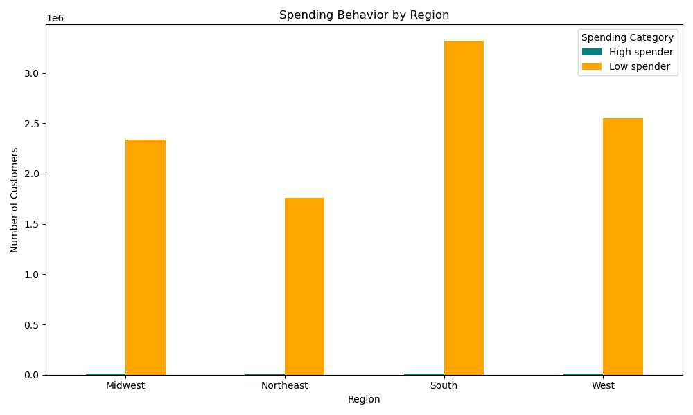

Explanation & Insight

The bar chart visualizes customer spending behavior by U.S. region, categorized into High Spenders and Low Spenders. The Y-axis represents the number of customers, and each regional group (Midwest, Northeast, South, and West) is split by spending category.
From the chart, it's evident that the vast majority of customers in all regions are classified as Low Spenders. However, there are notable regional differences in overall customer volume. The South and West have the highest number of customers, followed by the Midwest and Northeast. Although the proportion of High Spenders is small across all regions, it appears consistent in scale. This suggests that spending category is not heavily skewed by region, even if absolute customer numbers differ.
This finding implies that regional targeting strategies should focus more on volume than spending tier. For example, marketing campaigns in the South and West might have broader reach, while loyalty-building efforts could aim to elevate spending levels within the existing customer base, regardless of region.

7. Is there a connection between age and family status?

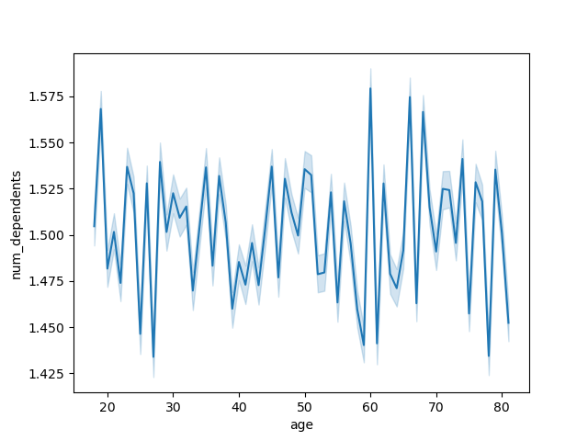
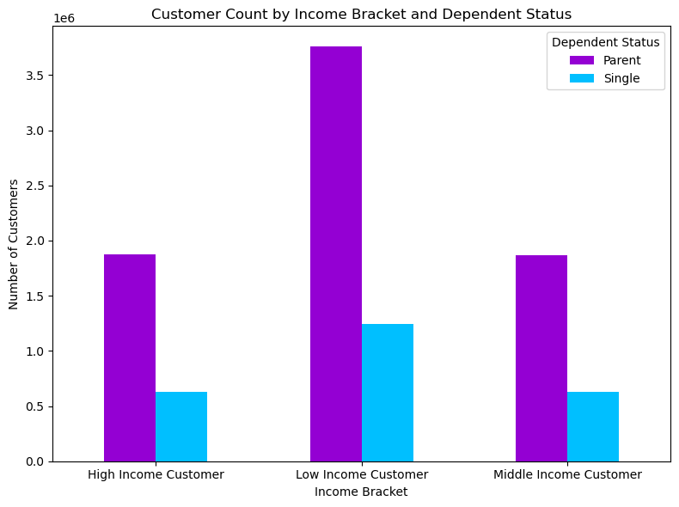
Customer Ages and Number of Dependents

Explanation & Insight

The line chart on the left shows the average number of dependents across different ages. While some fluctuation is visible, the number of dependents per customer remains relatively stable across age groups, generally hovering between 1.45 and 1.55. There is no clear linear relationship between age and dependent count, suggesting that age alone may not strongly predict family status in this dataset.
The bar chart on the right further explores family status by showing customer counts split by income bracket and dependent status. Across all income levels (high, middle, and low) the majority of customers are categorized as parents, with low-income parents forming the largest group overall. Single individuals are underrepresented across income brackets, especially among high and middle-income groups.
These combined visuals indicate that income level may have a stronger correlation with family status than age, with lower-income brackets having a higher share of parents. This suggests that marketing strategies targeting parents could benefit from income-based segmentation rather than age-based profiling.

8. What classifications does the demographic info suggest?

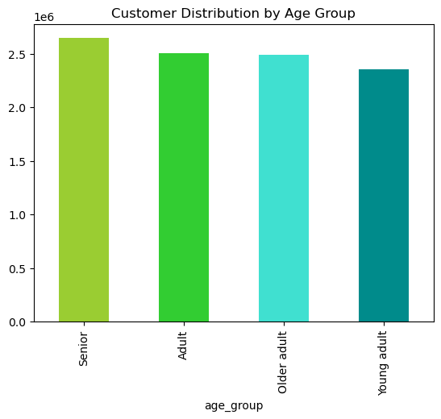
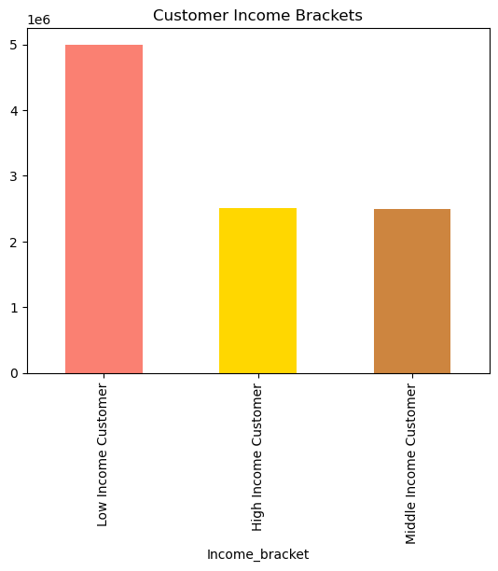
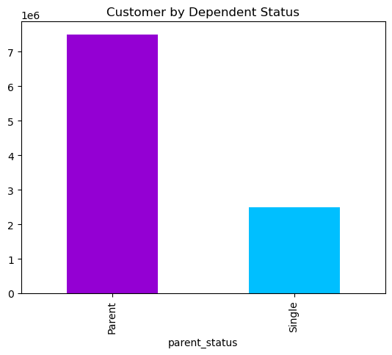

Scatterplot of Customer Age and Income

Explanation & Insight

The demographic visualizations highlight four key dimensions: age group, income bracket, parent status, and income distribution by age. The age group chart shows a relatively even distribution across all age categories, with seniors being the largest group and young adults the smallest. The income bracket chart reveals a strong skew toward low-income customers, followed by roughly equal proportions of high- and middle-income customers. The parent status bar chart shows a clear dominance of parents over single individuals in the dataset. Finally, the scatter plot of income by age illustrates wide variance in income at all ages, with a visible increase in income spread around age 40, likely due to career progression.
Based on these patterns, the data supports three primary demographic classifications for segmentation:
Age-based segmentation - Seniors and adults represent the bulk of the customer base, but all four groups are well represented.
Income-based segmentation - A clear low-income majority suggests the need for budget-conscious marketing strategies.
Family-status segmentation - With parents being the dominant group, family-oriented marketing and product bundling could be highly effective.
This demographic classification can be used to inform personalized marketing, product offerings, and customer journey strategies tailored to each segment's lifestyle and financial situation.

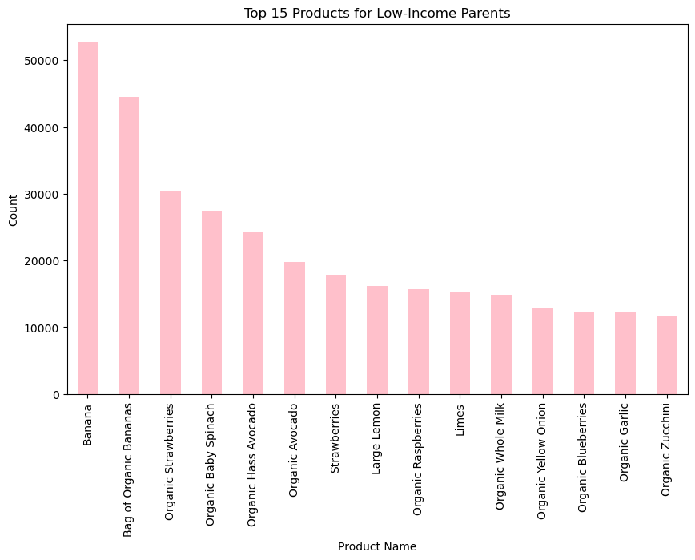
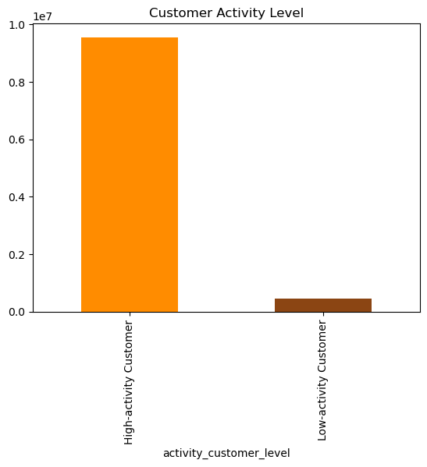
9. What are the ordering habits by customer profiles?

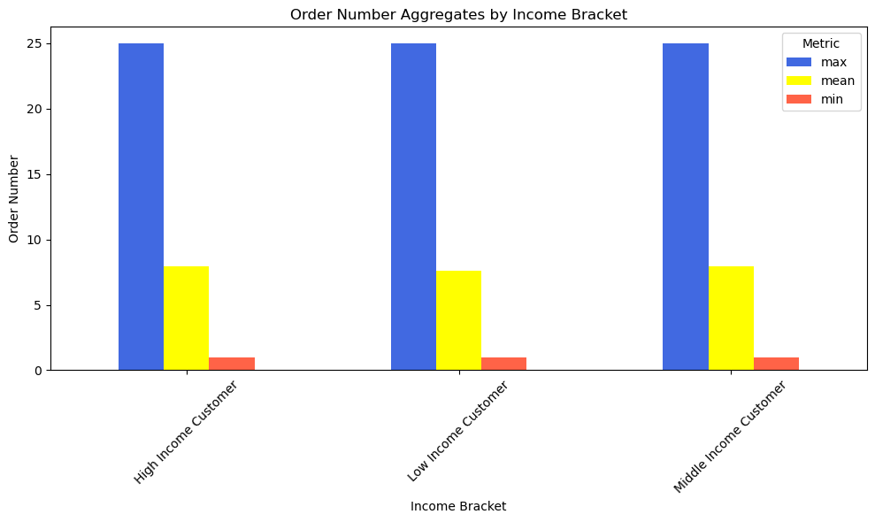

Explanation & Insight
The three charts provide a multidimensional view of ordering behavior across different customer profiles. The first bar chart shows that mean order count is consistent across all income brackets, with similar maximum and minimum order ranges, suggesting that income may not heavily influence order frequency. The second chart reveals the top 15 products purchased by low-income parents, dominated by essentials and affordable organics like bananas, strawberries, and spinach. This indicates value-driven and necessity-based purchasing behaviors. The third chart highlights that high-activity customers vastly outnumber low-activity ones, confirming a strong core user base that orders frequently (even if they may not always order a lot).
Overall, customer ordering habits show consistent frequency regardless of income, but product choices vary based on life stage and financial priorities. Profiling by activity level reveals that Instacart's business is driven by a loyal, high-activity segment, while product-level trends suggest opportunities to tailor assortments and promotions for specific groups (e.g., low-income parents). These insights support segmented marketing and product curation strategies to deepen engagement and increase cart size across profiles.

7. Recommendations
 |  |  | Title page

Recommendations

In this tab you should include any recommendations you would made to Instcart in terms of their marketing strategy based on the questions posed in the brief. Every key question has been covered in the Tasks of the Exercises - here you need to add an item - a visualisation or table/crosstable that is showing the answer in the data, acompanied by a comment from you. Please, list the questions below and add the answer underneath.

Key Project Brief Questions | Answers | Recommendations/Insights
1. What are the busiest days of the week and hours of the day? | Saturdays and Sundays; between 10 am to 3 pm. See Tab 6. Visualizations for more details. | The data shows a clear peak in order volume on weekends, especially Saturdays and Sundays. Orders also spike in the late morning and early evening hours. I recommend that we (1) increase ad spend and promotional efforts during weekends and peak ordering hours and (2) adjust labor scheduling and inventory levels accordingly to optimize operational efficiency.
2. What are the particular spending times throughout the day? | Peak during morning hours; See Tab 6. Visualizations for more details. | Spending is highest between 10 a.m. and 6 p.m., aligning with typical shopping hours for most users. I recommend that we (1) time digital ads and app push notifications to coincide with these high-spend windows and (2) consider experimenting with “happy hour” deals in low-traffic time slots to smooth demand.
3. Can we group products into simple price categories for marketing? | Yes - mid-range and low-range products, with mid-range being a lot more popular. See Tab 6. Visualizations for more details. | Products cluster into distinct pricing tiers, with high frequency purchases seen in low- and mid-price brackets. I recommend that we develop tier-based marketing: value bundles for budget-conscious shoppers, and curated mid-range collections for convenience and quality-driven buyers.
4. Are certain product types more popular than others? | Produce, followed by other food items such as dairy, eggs, and snacks are the most popular. See Tab 6. Visualizations for more details. | Produce, dairy, snacks, and beverages consistently rank as top-performing departments. I recommend that we (1) optimize app layout and promotions around these high-frequency categories and (2) create cross-sell campaigns that bundle these items.
5. Customer Loyalty Analysis: How often do people return to Instacart and are there differences in ordering habits based on loyalty status? | Regular customers are the majority. See Tab 6. Visualizations for more details. | Regular customers (10–40 orders) are the largest group by volume, while loyal customers (>40 orders) are a valuable but smaller segment. New customers (<10 orders) have the lowest engagement. I recommend that we (1) focus retention campaigns on regulars to move them into the loyal category and (2) provide loyalty rewards or targeted upsells to maintain high LTV among power users.
6. Are there differences in ordering based on customer region? | Low-spenders dominate the customer base overall, with South and West regions having more activities. See Tab 6. Visualizations for more details. | the South has the highest volume of low spenders, while the West and Midwest show slightly more balanced spending profiles. I recommend that we (1) tailor marketing tone and price positioning regionally and (2) explore region-specific promotions, such as seasonal or local product features.
7. Is there a connection between age and family status? | Age does not show strong correlation with number of selections, but parental status does. See Tab 6. Visualizations for more details. | Parents place significantly more orders across all income levels. I recomnend (1) segment campaigns around life stage (e.g., parents vs. singles) rather than age bands and (2) introduce family-focused offerings like bulk packs, subscription plans, and kid-friendly bundles.
8. What classifications does the demographic info suggest? | Lower-income parents are the biggest group of customers. See Tab 6. Visualizations for more details. | Low-income parents form the largest single customer segment. The user base skews toward older adults and seniors, with generally moderate income levels. I recommend (1) tailor Instacart’s product messaging toward value, nutrition, and convenience and (2) simplify the app interface for older adults and explore accessibility features.
9. What are the ordering habits by customer profiles? | Various outcomes - see Tab 6. Visualizations for more details. | Ordering volume is relatively similar across income brackets. However, low-income parents tend to purchase staple organic produce (bananas, strawberries, spinach) at high frequency. I recommend (1) Use behavior-based profiling to recommend staple items and automate reordering and (2) Promote personalized deals aligned to profile-specific purchase patterns.
Final Takeway

Instacart's customer base is not monolithic — it consists of nuanced behavioral segments shaped by loyalty, spending patterns, life stage, income, and region. Across all dimensions, clear patterns emerge that support strategic differentiation. By adopting micro-targeted marketing, enhancing user experience based on demographic needs, and aligning inventory and promotion with behavioral insights, Instacart can increase engagement, improve lifetime value, and drive sustainable growth. This analysis supports a data-informed shift from mass marketing to intelligent personalization.

 |  |  |  | Question | Answer | Question | What the busiest days of the week and hours of the day are (i.e., the days and times with the most orders) in order to schedule ads at times when there are fewer orders?
 |  |  |  | Key Question 1 | Based on the data, it’s recommended to prioritize staffing and inventory management for Sundays, Mondays, and Saturdays, as these are the busiest days for orders. Additionally, since peak activity occurs around 10 AM and 11 AM, ensuring optimal system performance and customer support availability during these hours could improve service quality. Marketing campaigns and promotions may also be most effective when scheduled for these high-traffic times.
 |  |  |  |  |  | Answer | The Weekends are the busiest time of the week. Also, the maximum number of orders were received in the business hours especially between 9 am and 11 am. To promote sales in the week days, the introduction of discounts or promotional offers is required. This will be a go opportunity to influence customers to join membership programs.
 |  |  |  | Key Question 2 | This means the best time for website maintenance is between 3 AM and 4 AM, when traffic is lowest. Ads are likely to work best between 10 AM and 4 PM, when most people are active

 |  |  |  | Key Question 3 | Focus on mid-range products, since they’re clearly the most preferred by customers. You might also want to review your high-range offerings—if there are only a few, consider whether it’s worth adding more to attract higher-spending customers, or if it’s better to keep the focus on what’s working: the mid-range category. | Question | Are there particular times of the day when people spend the most money, as this might inform the type of products they advertise at these times. The highest frequency of product orders will be determined here?
 |  |  |  | Key Question 4 | Focus on strengthening the produce and dairy/eggs departments, as they generate the most sales. For the bulk and 'other' categories, consider analyzing whether expanding the product range or increasing marketing efforts could boost their performance.
 |  |  |  |  |  | Answer | The best selling products of the organization are produce, dairy eggs and snacks. The time of day where people spent the most money on the products is during the morning rush hour traffic. Here, we can go two ways, either give promotional discounts for the best selling products to further improve the sales or introduce an bulk category where the customer can purchase the wholesale bulk offering of the product in family-size packaging like in Costco.
 |  |  |  | Key Question 5 | Focus marketing and sales strategies on the South region, as it has the highest number of both high and low spenders. Since the Northeast has the fewest high and low spenders, it may be beneficial to explore targeted promotions or campaigns to boost customer engagement and spending in that area.

 |  |  |  |  |  | Question | What’s the distribution among users in regards to their brand loyalty (i.e., how often do they return to Instacart)?
 |  |  |  |  |  | Answer | The returning customers are found out to be from the middle-income and married groups. The recommendation here will be, introducing discounts for high-end products; where the targeted audience will be the higher-income customer base. This helps develop greater probability to these items to to purchased more often and even attract middle-income customer group to make the purchase once in a while.

 |  |  |  |  |  | Question | Are there differences in ordering habits based on a customer’s loyalty status?
 |  |  |  |  |  | Answer | The highest number of orders were placed by the low_spender category. On the other hand, high_spender category made very few purchase orders. Here, it depends on the board members to choose which category they want to encourage buying more products. It could either be for the high spending customers or to the low spending customers. The suggestions for both have been discussed in the above mentioned recommendations.

 |  |  |  |  |  | Question | Are there differences in ordering habits based on a customer’s region?
 |  |  |  |  |  | Answer | The overall comparison of the purchase orders among different product categories across regions have been demonstrated above. The Western and Southern region have the most amount of sales across different product categories. Here, to boost sales for the other two regions, we could introduce regional promotional offers(only applicable in certain regions). This will help customers to buy products more often. Additional possiblity of of encouraging the residents to change the residence to these regions. As some residence evaluate living expenses and then change their residence accordingly.

 |  |  |  |  |  | Question | Is there a connection between age and family status in terms of ordering habits?
 |  |  |  |  |  | Answer | Mostly orders were placed by adults and from the Loyalty by Family Status Bar Chart; we can confirm that most of them are married. As a result, the maximum amout of orders will be placed by family members. Therefore, the recommendation of introducing a family-sized packaging mentioned above will help boost the sales these category of customers.

 |  |  |  |  |  | Question | What different classifications does the demographic information suggest? Age? Income? Certain types of goods? Family status?

 |  |  |  |  |  | Answer | Based on the demographic analysis, it is evident that the majority of our customers are married individuals, with 75% of them having dependents. This aligns with the age distribution, where 61% of our customers are categorized as youth. Given that parents often shop for their families, either with their children or on their behalf, it would be beneficial for us to focus on products that appeal to families. By offering more family-oriented goods, we can encourage quicker purchases and reduce wait times, while also better aligning with the needs of our core customer base. This targeted approach could drive increased sales and customer satisfaction, presenting a valuable opportunity to capitalize on this key demographic

